Sheet1
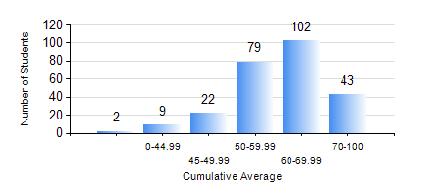
 |  |  | KWAME NKRUMAH UNIVERSITY OF SCIENCE AND TECHNOLOGY, KUMASI Department of Computer Engineering

 |  |  | BSC. COMPUTER ENG.

 |  |  | COMPREHENSIVE RECORD OF EXAMINATION RESULTS

 |  |  | RESULTS OF YEAR 1 SECOND SEMESTER, 2021/2022 ACADEMIC YEAR

 | Sn | Course Code |  | Course Name | Credit Hours | Min. Mark | Max. Mark | Avg. Mark | Std. Dev. | No. Passed | No. Trailed | No. (Df) | No. (I) | No. (I*) | No. Tagged(I,I*,Df) | Total
 | 0. |  |  |  |  |  |  | 0 | 0 | 0 | 0 | 0 | 0 | 0 | 0 | 5
 | 1. | COE 152 |  | BASIC ELECTRONICS | 3 | 13 | 91 | 62 | 13.07 | 248 | 4 | 0 | 0 | 0 | 0 | 252
 | 2. | COE 158 |  | INTRODUCTION TO INFORMATION TECHNOLOGY | 2 | 8 | 90 | 69 | 12.29 | 246 | 5 | 0 | 1 | 0 | 1 | 252
 | 3. | COE 164 |  | INTRODUCTION TO MATLAB AND LABVIEW | 2 | 19 | 93 | 73 | 11.35 | 247 | 5 | 0 | 0 | 0 | 0 | 252
 | 4. | EE 156 |  | ELECTRICAL ENG. DRAWING | 2 | 0 | 70 | 53 | 8.35 | 248 | 4 | 0 | 0 | 0 | 0 | 252
 | 5. | EE 172 |  | ELECTRICAL MACHINES | 3 | 0 | 96 | 59 | 16.21 | 229 | 23 | 0 | 0 | 0 | 0 | 252
 | 6. | ENGL 158 |  | COMMUNICATION SKILLS II | 2 | 13 | 85 | 67 | 9.05 | 250 | 2 | 0 | 0 | 0 | 0 | 252
 | 7. | MATH 152 |  | CALCULUS WITH ANALYSIS | 4 | 0 | 86 | 50 | 12.01 | 194 | 58 | 0 | 0 | 0 | 0 | 252

